Overview & Contents
Dr Tom's Neuropsychological Tests & Statistics Spreadsheet - Version 2.6 |  |  |  | Last Updated: 16th August 2023 Version 2.6
This spreadsheet is a working document intended to help with statistical analysis of neuropsychological assessment tests and measures It has been created for the most part by Dr Tom Michael, Clinical Psychologist
Tom.Michael@nhs.net
mostlyzen@gmail.com
Whilst I do not believe there to be any errors in the formulae in this spreadsheet, I do not assume any liablity for the use of this spreadsheet by third parties - always check your test manual!
You should only use this spreadsheet if you are a qualified Clinical Psychologist or Clinical Neuropsychologist. You are not qualified to interpret these data otherwise
If you are working as an Assistant Psychologist or other discipline (e.g. Occupational Therapist) you need to be supervised by a qualified Clinical Psychologist or Clinical Neuropsychologist

 | Table of Contents

 | Tab Name | Test, Measure or Statistic | Contents | Notes
 | Bell Curves | Normally Distributed Traits | Visual Comparison of various statistics and standard qualitative descriptors | 21/02/2023 - Updated with American Academy of Clinical Neuropsychology Consensus Statement on uniform labelling of performance test scores
 | Demographics | TOPF WAIS-IV & WMS Estimates Crawford's Demographic Equation | Age & Years of education calculator, TOPF calculator to estimate FSIQ, IQ Indices and WMS Indices, plus John Crawford's Demographic Equation to estimate FSIQ
 | Psychometric Converter | Commonly used statistics | Enter statistical score and convert to and from commonly used statistics
 | Visual Psychometric Converter | Commonly used statistics | Visual representation of position on normal bell curve
 | TBI Severity & GCS | Traumatic Brain Injury Severity | Glasgow Coma Scale (GCS) and severity tables
 | AQ50 | Autistic Quotient 50 items Self-Rating Scale | Z score, Standard Score and Percentile converter | Most commonly used self-rating scale in UK adult ASD screening assessment
 | ASRS | Adult ADHD Self-Rating Scale | Z score, Standard Score and Percentile converter | Most commonly used self-rating scale in UK adult ADHD screening assessment
 | CORE-10 | CORE-10 Score Interpretation | Clinical Outcomes in Routine Evaluation scale (Assessment & Outcome measure)
 | HADS | Hospital Anxiety and Depression Rating Scale | Percentile, Standard Score calculator for HADS-A and HADS-D scores for males and females based on norms from John Crawford's norms & calculator
 | Hayling | Hayling Test of EF | STEN score converter, results table template
 | RBANS-A | Repeatable Battery for Assessment of Neuropsychological Status A | Percentile, Standard Score and Z-score calculators for individual RBANS-A subtests
 | RBANS-A-Effort Scale | Effort Scale for RBANS A for Older Adults only | Effort Scale for people with suspected Dementia or Alzheimer's Disease
 | RME Adult | Reading the Mind in the Eyes Adult | Standard Score & Percentile Calculators based on two different sets of norms
 | MRME - Adult COMING SOON | Multiracial Reading the Mind in the Eyes Adult | A New test using different races and genders but psychometrically normed and validated against the original RME
 | WMS-IV | Wechsler Memory Scale IV | Immediate & Delayed Index Predictor
 | TOPF | Test of Pre-Morbid Function | Equation with Demographics to calculate Estimated FSIQ score based on TOPF Raw Score

 | To add to Spreadsheet and Update

 | Find My Old Spreadsheet
 | Find Chris's spreadsheet

 | Abbey Pain Scale

 | Other psychometric measures here (Observer based report scales) http://www.tbims.org/combi/list.html

 | WMS formula from Dave

 | See John Crawford's Statistical Programmes and Papers for Neuropsychological Assessment:
 | https://homepages.abdn.ac.uk/j.crawford/pages/dept/psychom.htm

Bell Curves
Bell Curves and Normal Distributions of Psychometric Abilities

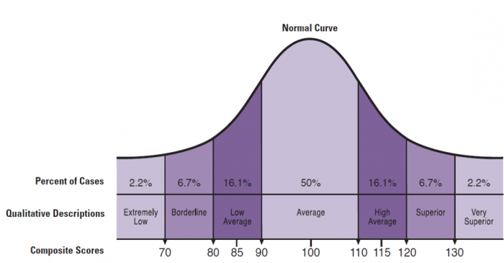

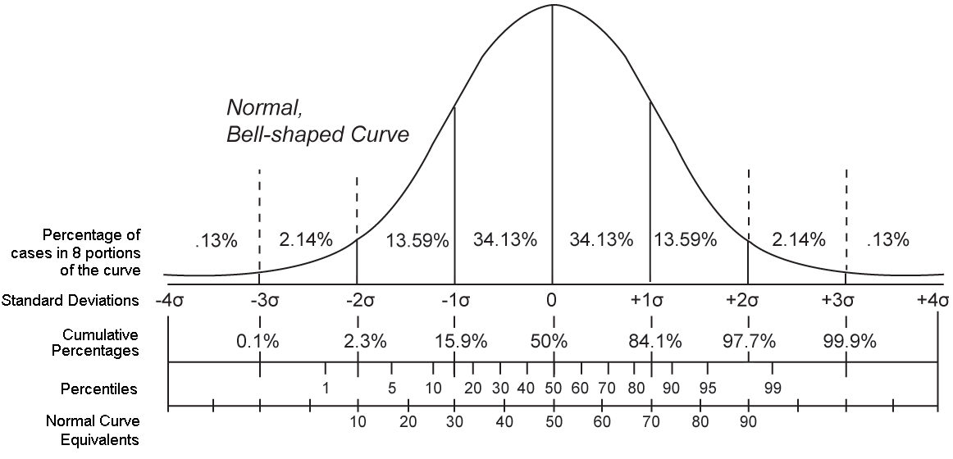

 | WAIS-IV Standard Qualitative Interpretation Descriptors
 | Standard Score | Percentile Range | Interpretation
 | 131+ | 98th+ | Very Superior
 | 121-130 | 92nd to 98th | Superior
 | 111-120 | 77th to 91st | High Average
 | 90-110 | 25th to 75th | Average
 | 80-89 | 9th to 23rd | Low Average
 | 70-79 | 2nd to 8th | Borderline range of impairment
 | 40-69 | <0.1st to 2nd | Extremely low range

 | Consider using the WAIS-IV Interpretations for ALL neuropsych tests
 | with standard scores and percentiles, to avoid confusion of different
 | interpretive labels, sometimes used by other tests.

 | American Academy of Clinical Neuropsychology Consensus Statement on uniform labelling of performance test scores (2023)
 | Standard Score | Percentile Range | Interpretation
 | 131+ | >98th | Exceptionally High Score
 | 121-130 | 92nd to 98th | Above Average Score
 | 111-120 | 77th to 91st | High Average score
 | 90-110 | 25th to 75th | Average Score
 | 80-89 | 9th to 23rd | Low Average Score
 | 70-79 | 2nd to 8th | Below Average Score
 | 40-69 | <0.1st to 2nd | Exceptionally Low Score
 | Link to Paper

 | This Consensus statement argues that impairment is relative to both population norms but also a person's "normal" level of engagement or employment prior to e.g. a TBI or onset of a neurodegenerative condition.
 | Thus, whilst performance at e.g. 6th percentile might not count as impairment in the WAIS-IV qualitative descriptors above, this might make it impossible for some people, e.g. Consultant Neurosurgeon, to adequately function in their role, with implications for retirement, compensation etc...
 | Describing 6th percentile as "borderline impaired" could obscure this from non psychologists who might not understand the relative level of impairment.

Visual Psychometric Converter
 |  |  |  | 4
 |  |  |  | 7
 |  |  |  | z (0,1) | 0 | 1 | z (0,1)
 | 7 | → | 85 | Stanine (5,2) | 5 | 2 | Stanine (5,2)
 |  |  |  | Sten (5.5,2) | 5.5 | 2 | Sten (5.5,2)
 |  |  |  | Scaled (10,3) | 10 | 3 | Scaled (10,3)
 |  |  |  | T (50,10) | 50 | 10 | T (50,10)
 |  |  |  | NCE(50,21.06) | 50 | 21.06 | NCE(50,21.06)
 |  |  |  | Index (100,15) | 100 | 15 | Index (100,15)
 |  |  |  | Old SB Index (100,16) | 100 | 16 | Old SB Index (100,16)
 |  |  |  | Custom (100,10) | 100 | 10 | Custom (200,25)
 |  |  |  | Custom (200,25) | 200 | 25
Mean | 100 | Mean | 200
SD | 10 | SD | 25 | Old z | -1
 |  |  |  | New score | 85
Index (100,15) = 85_x000c_Percentile = 95
 | Curve
#N/A | 4.0505885665E-10
#N/A | 6.0293545995E-10
#N/A | 8.934974608E-10
#N/A | 1.3182130937E-09
#N/A | 1.9361888819E-09
#N/A | 2.8312591643E-09
#N/A | 4.1217470001E-09
#N/A | 5.9738297073E-09
#N/A | 8.6197396432E-09
#N/A | 1.2382412297E-08
-62.32 | 1.770867939E-08
-60.916 | 2.5213718057E-08
-59.512 | 3.5740235631E-08
-58.108 | 5.0436824195E-08
-56.704 | 7.0861094629E-08
-55.3 | 9.9114634316E-08
-53.896 | 1.3801856619E-07
-52.492 | 1.9134056066E-07
-51.088 | 2.6408660607E-07
-49.684 | 3.6287371473E-07
-48.28 | 4.9640305804E-07
-46.876 | 6.7605680437E-07
-45.472 | 9.166461749E-07
-44.068 | 1.2373429126E-06
-42.664 | 1.6628314193E-06
-41.26 | 2.2247241597E-06
-39.856 | 2.9632884113E-06
-38.452 | 3.9295378504E-06
-37.048 | 5.187747532E-06
-35.644 | 6.8184551921E-06
-34.24 | 8.922015051E-06
-32.836 | 1.1622771894E-05
-31.432 | 1.507392256E-05
-30.028 | 1.9463128386E-05
-28.624 | 2.5018934915E-05
-27.22 | 3.2018043441E-05
-25.816 | 4.0793462008E-05
-24.412 | 5.1743540414E-05
-23.008 | 6.5341864085E-05
-21.604 | 8.2147944565E-05
-20.2 | 0.00010281859975
-18.796 | 0.00012811986462
-17.392 | 0.00015893921343
-15.988 | 0.00019629780803
-14.584 | 0.0002413624152
-13.18 | 0.0002954565608
-11.776 | 0.00036007041208
-10.372 | 0.00043686880593
-8.968 | 0.0005276967722
-7.564 | 0.00063458184369
...
 |  |  |  | rounded to nearest integer | 85
 |  |  |  | TRUE
 |  |  |  | Index (100,15) = 85 Percentile = 95
 |  |  |  |  | 85 |  | 5 | 1
 |  |  |  |  | 95.173542442 | 99.9999 | 4 | 1
 |  |  |  |  | 95 | 99.999 | 3 | 1
 |  |  |  |  |  | 99.99 | 2 | 1
 |  |  |  |  |  | 99.9 | 1 | 1
 |  |  |  |  |  | 99 | 0 | 1
 |  |  |  |  |  | 1 | 1 | 0
 |  |  |  |  |  | 0.1 | 2 | 0
 |  |  |  |  |  | 0.01 | 3 | 0
 |  |  |  |  |  | 0.001 | 4 | 0
 |  |  |  |  |  | 0.0001 | 5 | 0
 |  |  |  |  |  |  |  | 6 | 0

TBI Severity & GCS
Traumatic Brain Injury (TBI) Severity & Glasgow Coma Scale (GCS)

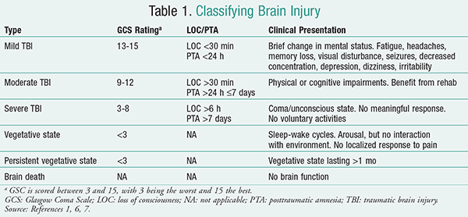
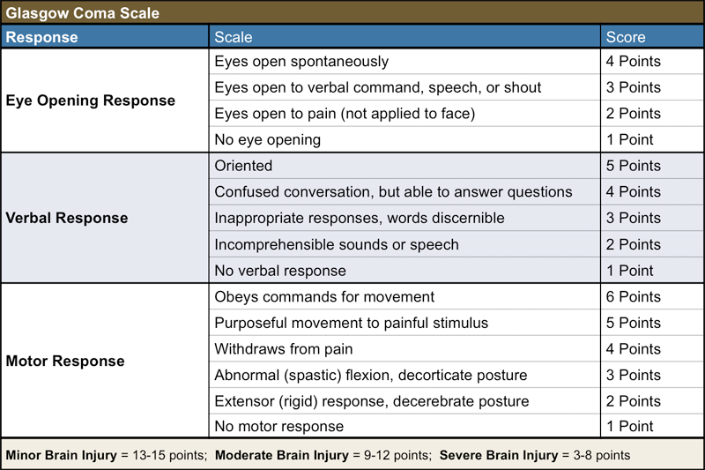

 | Reference From:
 | https://www.uspharmacist.com/article/managing-neuropsychiatric-symptoms-in-traumatic-brain-injury

 | See also Mild-Complicated TBI

 | Some classification systems argue that LOC > 24 hours is required for severe

 | Severe TBI do not always present as coma or unconscious state

 |  | Note - Severity of TBI/ABI should not be calculated from GCS alone, but should also take into account length of PTA

AQ50
AQ50 - Autism Spectrum Quotient 50 Item Questionnaire

 | Participant Group and Link to paper | ENTER RAW SCORE HERE | Mean | SD | Z-Score | Standard Score | Percentile | Notes
 | Baron Cohen et al (2001) Groups
 | High Functioning Autism/Asperger's Group (n = 58) | 15 | 35.80 | 6.50 | -3.2 | 52 | 0.1
 | HFA/Asperger's Males (n = 45) | 15 | 35.10 | 6.90 | -2.9 | 56 | 0.2
 | HFA/Asperger's Females (n = 13) | 15 | 38.10 | 4.40 | -5.3 | 21 | 0.0
 | Neurotypical Controls (n = 174) | 15 | 16.40 | 6.30 | -0.2 | 97 | 41.2
 | Neurotypical Males (n = 76) | 15 | 17.80 | 6.80 | -0.4 | 94 | 34.0
 | Neurotypical Females (n = 98) | 15 | 15.40 | 5.70 | -0.1 | 99 | 47.2
 | Neurotypical Students (Cambridge, n = 840) | 15 | 17.60 | 6.40 | -0.4 | 94 | 34.2
 | Neurotypical Male Students (Cambridge, n = 454) | 15 | 18.60 | 6.60 | -0.5 | 92 | 29.3
 | Neurotypical Female Students (Cambridge, n = 386) | 15 | 16.40 | 6.10 | -0.2 | 97 | 40.9

 | Broadbent et al (2013) Groups
 | ASD Group (both genders, n = 104) | 29 | 36.40 | 7.30 | -1.0 | 85 | 15.5
 | Neurotypical Group (both genders, n = 129) | 29 | 14.50 | 5.80 | 2.5 | 138 | 99.4

 | Rusich et al (2015) Metanalysis of Neurotypical groups
 | ASD Group (Meta-analysis, n = 1,374) | 29 | 35.19 | 6.27 | -1.0 | 85 | 16.2 | Note that all SDs are Pooled SDs
 | ASD Males (Meta-analysis, n = 298) | 29 | 36.40 | 6.27 | -1.2 | 82 | 11.9
 | ASD Females (Meta-analysis, n = 363) | 29 | 38.83 | 6.27 | -1.6 | 76 | 5.8
 | Neurotypical Group (Meta-analysis, n = 4931) | 29 | 16.94 | 5.59 | 2.2 | 132 | 98.5
 | Neurotypical Males (Meta-analysis, n = 872) | 29 | 17.89 | 5.59 | 2.0 | 130 | 97.7
 | Neurotypical Females (Meta-analysis, n = 1,387) | 29 | 14.88 | 5.59 | 2.5 | 138 | 99.4

 | Link to Novopsych Website

Text from Novopsych.com.au Website:
Interpretation and Scoring
Items are summed to obtain an overall total score and scores for each of the five subscales. Higher scores indicate responses that are more consistent with autism traits.
A total score of 29 or more is indicative of clinically significant autism traits (Broadbent, et al., 2013). Using the cut-off score of 29 has a false positive rate of 1%, however will fail to identify 14.4% of people who actually do meet the diagnostic criteria for DSM-5 defined Autism Spectrum Disorder.
Five subscales are presented, with higher scores on each subscale indicate more neurodivergence in each area. For example, high scores on social skills indicates more social skills deficits, and high scores on attention to detail indicates an atypical focus on details. The following items are summed to obtain scores for each of the subscales:
Social skill: items 1,11,13,15,22,36,44,45, 47,48
Attention switching: items 2,4,10,16,25,32,34, 37,43,46
Attention to detail: items 5,6,9,12,19,23,28, 29,30,49
Communication: items 7,17,18,26,27,31,33, 35,38,39
Imagination items: 3,8,14,20,21,24,40,41,42,50

ASRS
ASRS - Adult ADHD Self-Rating Scale

Participant Group by Age | Number of Participants in Group | ENTER RAW SCORE HERE | Mean | SD | Z-Score | Standard Score | Percentile | Notes
18-29 | 2423 |  | 2.99 | 4.10 | -0.7 | 89 | 23.3
30-39 | 3659 | 13 | 2.59 | 3.10 | 3.4 | 150 | 100.0
40-49 | 4654 |  | 2.26 | 3.10 | -0.7 | 89 | 23.3
50-64 | 5823 |  | 1.82 | 3.10 | -0.6 | 91 | 27.9
65+ | 5838 |  | 1.23 | 2.10 | -0.6 | 91 | 27.9

 | Norms are based on Adler et al (2023) US Population norms of 22,397 participants

 | Link to Adler et al (2019) paper

 | Link to PDF of ASRS

 | Link to Novopsych Website

Text from Novopsych.com.au website:
–Part A (items 1-6. Scores range from 0 to 6) If the respondent scores 4 or more in Part-A, then the symptom profile of the individual is considered to be highly consistent with an ADHD diagnosis in adults (Adler et al., 2006; Kessler et al., 2007).
–Part B (items 7-18. Scores range from 0 to 12) The frequency scores on Part B provide additional cues and can serve as further probes into the patient’s symptom severity and the impact that inattention or hyperactivity has on their life.
– Total Score (and percentile) (scores range from 0 to 18) Over and above the key interpretation metrics from Part A and Part B, the total score (sum of part A and B) is converted into a percentile to contextualise responses in comparison to normative data (22,397 adults; Adler et al., 2018). For example, a percentile of 90 represents that the respondent scored higher than 90 percent of other typical adults in their age range in the community.
References
Adler, L. A., Faraone, S. V., Sarocco, P., Atkins, N., & Khachatryan, A. (2019). Establishing US norms for the Adult ADHD Self-Report Scale (ASRS-v1.1) and characterising symptom burden among adults with self-reported ADHD. International Journal of Clinical Practice, 73(1), e13260. https://doi.org/10.1111/ijcp.13260
Adler, L. A., Spencer, T., Faraone, S. V., Kessler, R. C., Howes, M. J., Biederman, J., & Secnik, K. (2006). Validity of pilot Adult ADHD Self- Report Scale (ASRS) to Rate Adult ADHD symptoms. Annals of Clinical Psychiatry: Official Journal of the American Academy of Clinical Psychiatrists, 18(3), 145–148. https://doi.org/10.1080/10401230600801077
Hines, J. L., King, T. S., & Curry, W. J. (2012). The adult ADHD self-report scale for screening for adult attention deficit-hyperactivity disorder (ADHD). Journal of the American Board of Family Medicine: JABFM, 25(6), 847–853. https://doi.org/10.3122/jabfm.2012.06.120065
Stanton, K., Forbes, M. K., & Zimmerman, M. (2018). Distinct dimensions defining the Adult ADHD Self-Report Scale: Implications for assessing inattentive and hyperactive/impulsive symptoms. Psychological Assessment, 30(12), 1549–1559. https://doi.org/10.1037/pas0000604

CORE-10
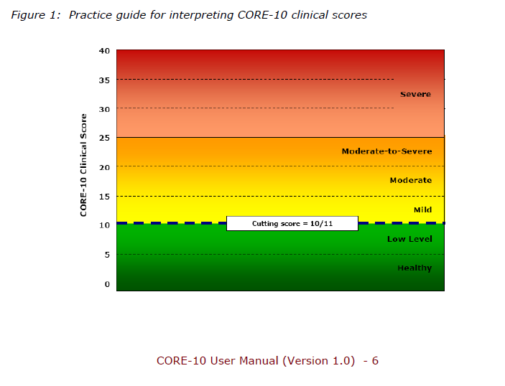
CORE-10 - Clinical Outcomes in Routine Evaluation - 10 item version

 | Score | Interpretation
 | 0-5 | Healthy
 | 6-10 | Low
 | 11-15 | Mild
 | 16-20 | Moderate
 | 21-25 | Moderate-to Severe
 | 26+ | Severe

RBANS-A Effort Scale
RBANS - EFFORT SCALE (ES) - VERSION A AND UPDATE ONLY

 | USE FOR SUSPECTED Alzheimers Disease (AD) or Mild Cognitive Impairment (MCI) Only

 | Enter raw score
Digit Span Raw | 7 | FAIL
List Recognition Raw | 16 | FAIL
List Recall | 1
Story Recall | 3
Figure Recall | 8

If BOTH of the above are fails, then use the ES below

Effort Scale (ES) | 11 | FAIL

RBANS Effort Scale (ES) - Use for people with suspected AD or MCI
Inadequate effort and/or impairment on the RBANS should be suspected with Digit Span scores of <9, Recognition scores of <19, or combined Digit Span + Recognition scores of <28.
Using the Total Scores for each subtest named below, use the following calculation to obtain the Effort Scale score:
RBANS ES = (List Recognition – (List Recall + Story Recall + Figure Recall)) + Digit Span
Scores of <12 on the Effort Scale are thought to be reflective of inadequate effort.
Novitski and colleagues (2012) sought to address the high failure rates of the EI by developing an embedded measure of effort that differentiates between suboptimal effort and a genuine amnestic disorder such as that found in dementia due to Alzheimer disease (AD). Their embedded RBANS effort scale (ES) was developed based on the premise that when an individual has “true” amnesia his or her free recall performance on the List Recall, Story Recall, and Figure Recall subtests will decline to zero, or close to zero, before decline in List Recognition occurs (Novitski et al., 2012)
Further, they expected working memory, as measured by the Digit Span subtest, to remain relatively stable. Following this logic, Novitski and colleagues (2012) developed the following formula: RBANS ES = [List Recognition – (List Recall + Story Recall + Figure Recall)]. Unlike the EI, which can be applied to any individual administered the RBANS, the ES is recommended for use only with individuals demonstrating impaired performance on the List Recognition and Digit Span subtests (Novitski et al., 2012).
Using a cutoff score of 12 (scores <12 were considered to suggest suboptimal effort), Novitski and colleagues (2012) found that, relative to the EI, the ES demonstrated greater sensitivity and specificity among amnestic participants diagnosed with either amnestic Mild Cognitive Impairment or probable AD. Schroeder, Peck, Buddin, Heinrichs, and Baade (2012) found that no participants in a moderate-to-severe mixed dementia sample failed the ES when using a cutoff of <7. These authors claimed that this lower cutoff limits false positives while maintaining adequate sensitivity, and in the current study the cutoffs of <12 and <7 are both considered.
Text by Dr Laura Meader, Clinical Psychologist, October 2020

RBANS-A Effort Index WIP
RBANS - EFFORT SCALE (ES) - VERSION A AND UPDATE ONLY

 | USE FOR SUSPECTED Alzheimers Disease (AD) or Mild Cognitive Impairment (MCI) Only

 | Enter raw score

RBANS Effort Scale (EI) - Use for people with suspected AD or MCI
WIP
Text by Dr Tom Michael, Clinical Psychologist, October 2020

